output
Start values obtained using MNL model
Dependent variable Choice
Log likelihood function -1761.47107
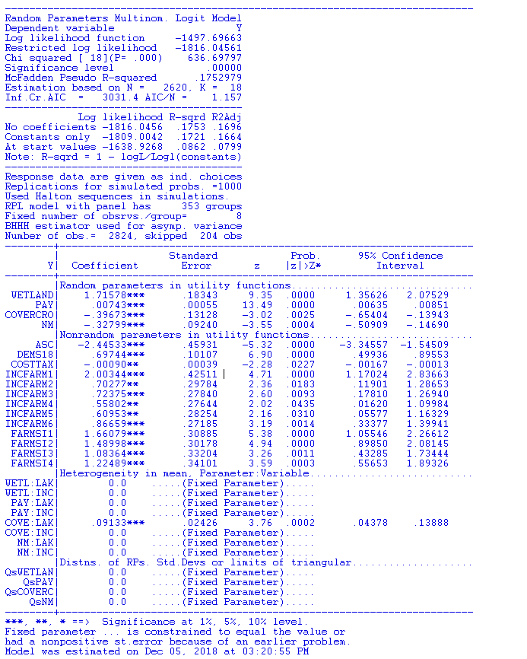
Estimation based on N = 2620, K = 17
Inf.Cr.AIC = 3556.9 AIC/N = 1.358
---------------------------------------
Log likelihood R-sqrd R2Adj
Constants only -1809.0042 .0263 .0195
Note: R-sqrd = 1 - logL/Logl(constants)
---------------------------------------
Chi-squared[16] = 95.06625
Prob [ chi squared > value ] = .00000
Response data are given as ind. choices
Number of obs.= 2824, skipped 204 obs
--------+--------------------------------------------------------------------
| Standard Prob. 95% Confidence
Y| Coefficient Error z |z|>Z* Interval
--------+--------------------------------------------------------------------
WETLAND| .46009*** .11368 4.05 .0001 .23729 .68290
PAY| .00142*** .00025 5.62 .0000 .00092 .00192
COVERCRO| .01746 .07980 .22 .8268 -.13895 .17386
NM| -.06527 .08629 -.76 .4494 -.23440 .10386
ASC| -1.17490*** .37893 -3.10 .0019 -1.91758 -.43222
DEMS18| .45675*** .08532 5.35 .0000 .28953 .62396
COSTTAX| -.00075** .00038 -1.98 .0476 -.00148 -.00001
INCFARM1| .96564*** .31745 3.04 .0024 .34344 1.58784
INCFARM2| .34095 .22231 1.53 .1251 -.09477 .77667
INCFARM3| .29631 .20875 1.42 .1558 -.11284 .70546
INCFARM4| .21728 .20651 1.05 .2927 -.18747 .62202
INCFARM5| .26438 .21029 1.26 .2087 -.14779 .67655
INCFARM6| .18138 .20526 .88 .3769 -.22092 .58367
FARMSI1| 1.08043*** .26810 4.03 .0001 .55497 1.60589
FARMSI2| .95895*** .25674 3.74 .0002 .45574 1.46216
FARMSI3| .91275*** .27475 3.32 .0009 .37426 1.45124
FARMSI4| .92824*** .28932 3.21 .0013 .36117 1.49530
--------+--------------------------------------------------------------------
***, **, * ==> Significance at 1%, 5%, 10% level.
Model was estimated on Dec 05, 2018 at 03:05:44 PM
-----------------------------------------------------------------------------

Iterative procedure has converged
Normal exit: 26 iterations. Status=0, F= .1497697D+04

-----------------------------------------------------------------------------
Random Parameters Multinom. Logit Model
Dependent variable Y
Log likelihood function -1497.69663
Restricted log likelihood -1816.04561
Chi squared [ 18](P= .000) 636.69797
Significance level .00000
McFadden Pseudo R-squared .1752979
Estimation based on N = 2620, K = 18
Inf.Cr.AIC = 3031.4 AIC/N = 1.157
---------------------------------------
Log likelihood R-sqrd R2Adj
No coefficients -1816.0456 .1753 .1696
Constants only -1809.0042 .1721 .1664
At start values -1638.9268 .0862 .0799
Note: R-sqrd = 1 - logL/Logl(constants)
---------------------------------------
Response data are given as ind. choices
Replications for simulated probs. =1000
Used Halton sequences in simulations.
RPL model with panel has 353 groups
Fixed number of obsrvs./group= 8
BHHH estimator used for asymp. variance
Number of obs.= 2824, skipped 204 obs
--------+--------------------------------------------------------------------
| Standard Prob. 95% Confidence
Y| Coefficient Error z |z|>Z* Interval
--------+--------------------------------------------------------------------
|Random parameters in utility functions..............................
WETLAND| 1.71578*** .18343 9.35 .0000 1.35626 2.07529
PAY| .00743*** .00055 13.49 .0000 .00635 .00851
COVERCRO| -.39673*** .13128 -3.02 .0025 -.65404 -.13943
NM| -.32799*** .09240 -3.55 .0004 -.50909 -.14690
|Nonrandom parameters in utility functions...........................
ASC| -2.44533*** .45931 -5.32 .0000 -3.34557 -1.54509
DEMS18| .69744*** .10107 6.90 .0000 .49936 .89553
COSTTAX| -.00090** .00039 -2.28 .0227 -.00167 -.00013
INCFARM1| 2.00344*** .42511 4.71 .0000 1.17024 2.83663
INCFARM2| .70277** .29784 2.36 .0183 .11901 1.28653
INCFARM3| .72375*** .27840 2.60 .0093 .17810 1.26940
INCFARM4| .55802** .27644 2.02 .0435 .01620 1.09984
INCFARM5| .60953** .28254 2.16 .0310 .05577 1.16329
INCFARM6| .86659*** .27185 3.19 .0014 .33377 1.39941
FARMSI1| 1.66079*** .30885 5.38 .0000 1.05546 2.26612
FARMSI2| 1.48998*** .30178 4.94 .0000 .89850 2.08145
FARMSI3| 1.08364*** .33204 3.26 .0011 .43285 1.73444
FARMSI4| 1.22489*** .34101 3.59 .0003 .55653 1.89326
|Heterogeneity in mean, Parameter:Variable...........................
WETL:LAK| 0.0 .....(Fixed Parameter).....
WETL:INC| 0.0 .....(Fixed Parameter).....
PAY:LAK| 0.0 .....(Fixed Parameter).....
PAY:INC| 0.0 .....(Fixed Parameter).....
COVE:LAK| .09133*** .02426 3.76 .0002 .04378 .13888
COVE:INC| 0.0 .....(Fixed Parameter).....
NM:LAK| 0.0 .....(Fixed Parameter).....
NM:INC| 0.0 .....(Fixed Parameter).....
|Distns. of RPs. Std.Devs or limits of triangular....................
QsWETLAN| 0.0 .....(Fixed Parameter).....
QsPAY| 0.0 .....(Fixed Parameter).....
QsCOVERC| 0.0 .....(Fixed Parameter).....
QsNM| 0.0 .....(Fixed Parameter).....
--------+--------------------------------------------------------------------
***, **, * ==> Significance at 1%, 5%, 10% level.
Fixed parameter ... is constrained to equal the value or
had a nonpositive st.error because of an earlier problem.
Model was estimated on Dec 05, 2018 at 03:20:55 PM
-----------------------------------------------------------------------------

